STRIPE PRINT @FRONT
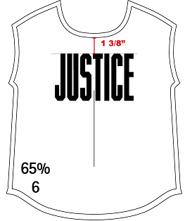
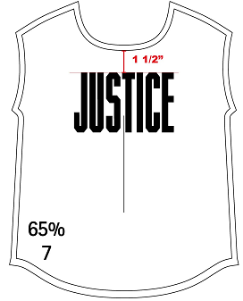
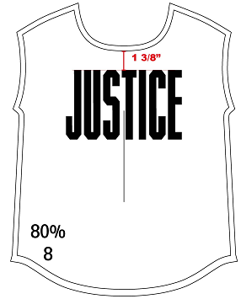
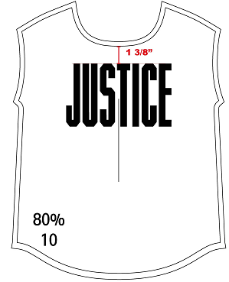
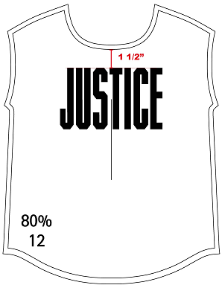

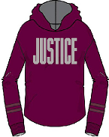
 |  |  | Selected Range : 6, 7, 8, 10, 12
 |  | AW combo |  | CAD AW | Dev sample |  | Edit sample |  | Costing |  | Given sz 10 | Remark
 |  |  |  |  | sent date: |  | sent date: |  | revised date: |  | revised date:
 |  |  |  | 80% | 80% |  | 80% |  | 80% |  | 80%

 |  |  |  | Description | Tol(-) | Tol(+) | 6 | 7 | 8 | 10 | 12
 |  |  |  | Artwork Grading percentage | -0 | 0 | 65% | 65% | 80% | 80% | 80%

 |  |  |  | FROM NECK SEAM ~ AW TOP EDGE | 0.25 | 0.25 | 1 3/8" | 1 1/2" | 1 3/8" | 1 3/8" | 1 1/2"

STYLE # | 170426, 170460 |  |  |  |  |  |  |  | TJX 2019-02-27 APPROVED
NP#:

STRIPE PRINT @SLV
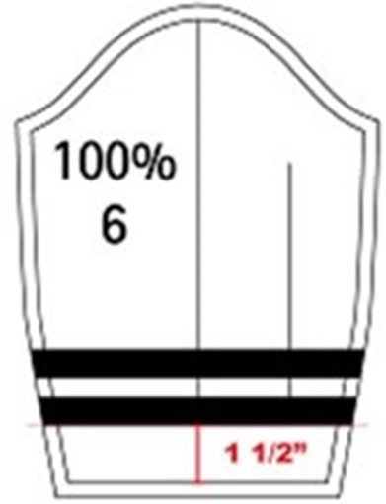
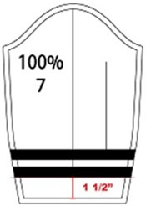
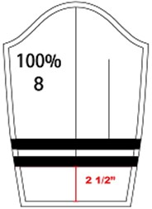
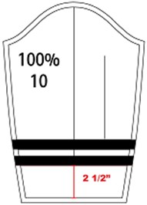
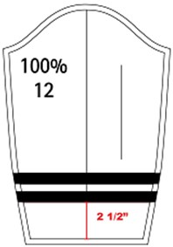
 |  |  | Selected Range : 6, 7, 8, 10, 12
 |  | AW combo |  | CAD AW | Dev sample |  | Edit sample |  | Costing |  | Given sz 10 | Remark
 |  |  |  |  | sent date: |  | sent date: |  | revised date: |  | revised date: | STRIPE PLACEMENT, SPACING & WIDTH ARE ALL GIVEN FROM SPEC PAGE (TP)
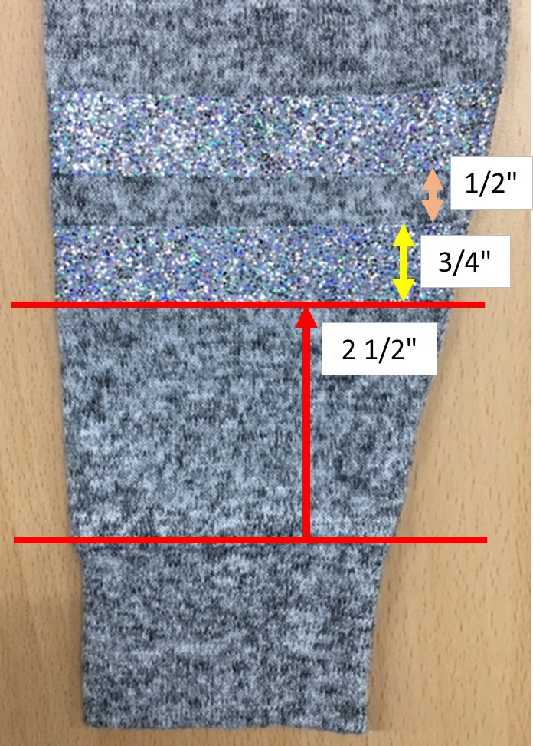
 |  |  |  | 100% | 100% |  | 100% |  | 100% |  | 100%

 |  |  |  | Description | Tol(-) | Tol(+) | 6 | 7 | 8 | 10 | 12
 |  |  |  | Artwork Grading percentage | -0 | 0 | 100% | 100% | 100% | 100% | 100%

 |  |  |  | BOTTOM STRIPE PLACEMENT FROM CUFF SEAM | 0.25 | 0.25 | 1 1/2" | 1 1/2" | 2 1/2" | 2 1/2" | 2 1/2"
 |  |  |  | SLEEVE STRIPE SPACING | 0.125 | 0.125 | 1/2" | 1/2" | 1/2" | 1/2" | 1/2"
 |  |  |  | SLEEVE STRIPE WIDTH | 0.125 | 0.125 | 3/4" | 3/4" | 3/4" | 3/4" | 3/4"

STYLE # | 170426, 170460 |  |  |  |  |  |  |  | TJX 2019-02-27 APPROVED
NP#:

